images
 | No Noise |  |  |  | 0 dB |  |  |  | 10 dB |  |  |  | 20 dB |  |  |  | 30 dB |  |  |  | 40 dB
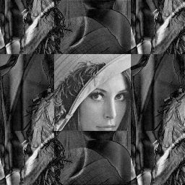
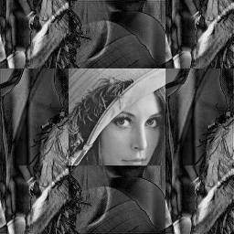

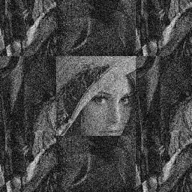

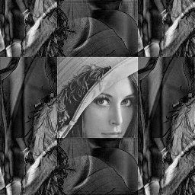
Cartesian |  |  |  |  |  |  |  |  |  |  |  |  |  |  |  |  |  |  |  |  |  |  |  |  | PSNR (dB)

 |  |  |  |  |  |  |  |  |  |  |  |  |  |  |  |  |  |  |  |  |  |  |  |  | SNR | Cartesian | Radial | Spiral | VDC
 |  |  |  |  |  |  |  |  |  |  |  |  |  |  |  |  |  |  |  |  |  |  |  |  | 0.00 | 9.63275 | 9.879 | 9.52978 | 10.6986
 |  |  |  |  |  |  |  |  |  |  |  |  |  |  |  |  |  |  |  |  |  |  |  |  | 10.00 | 9.83947 | 9.74135 | 9.91976 | 14.8878
 |  |  |  |  |  |  |  |  |  |  |  |  |  |  |  |  |  |  |  |  |  |  |  |  | 20.00 | 9.95765 | 9.7961 | 10.1612 | 24.0219
 |  |  |  |  |  |  |  |  |  |  |  |  |  |  |  |  |  |  |  |  |  |  |  |  | 30.00 | 9.92535 | 11.7534 | 11.6757 | 26.8333
 |  |  |  |  |  |  |  |  |  |  |  |  |  |  |  |  |  |  |  |  |  |  |  |  | 40.00 | 9.90468 | 16.7354 | 17.2864 | 26.9296
 |  |  |  |  |  |  |  |  |  |  |  |  |  |  |  |  |  |  |  |  |  |  |  |  | None | 9.90364 | 21.4814 | 22.2842 | 27.2674
 |  |  |  |  |  |  |  |  |  |  |  |  |  |  |  |  |  |  |  |  |  |  |  |  | SSIM

 |  |  |  |  |  |  |  |  |  |  |  |  |  |  |  |  |  |  |  |  |  |  |  |  | SNR | Cartesian | Radial | Spiral | VDC
 |  |  |  |  |  |  |  |  |  |  |  |  |  |  |  |  |  |  |  |  |  |  |  |  | 0.00 | 0.0440677 | 0.0196334 | 0.016156 | 0.200698
 | PSNR = | 9.904 | SSIM = | 0.103 | PSNR = | 9.633 | SSIM = | 0.044 | PSNR = | 9.839 | SSIM = | 0.097 | PSNR = | 9.958 | SSIM = | 0.104 | PSNR = | 9.925 | SSIM = | 0.104 | PSNR = | 9.905 | SSIM = | 0.103 | 10.00 | 0.0966458 | 0.0232313 | 0.0217048 | 0.681638
 |  |  |  |  |  |  |  |  |  |  |  |  |  |  |  |  |  |  |  |  |  |  |  |  | 20.00 | 0.103696 | 0.0635558 | 0.0741983 | 0.945457



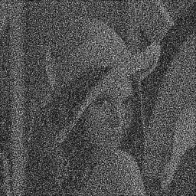
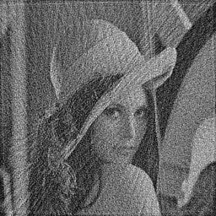
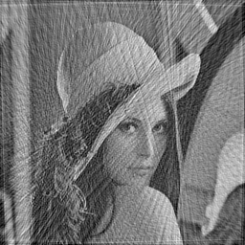 Radial |  |  |  |  |  |  |  |  |  |  |  |  |  |  |  |  |  |  |  |  |  |  |  |  | 30.00 | 0.103541 | 0.34192 | 0.370586 | 0.977914
 |  |  |  |  |  |  |  |  |  |  |  |  |  |  |  |  |  |  |  |  |  |  |  |  | 40.00 | 0.102616 | 0.750335 | 0.815741 | 0.97989
 |  |  |  |  |  |  |  |  |  |  |  |  |  |  |  |  |  |  |  |  |  |  |  |  | None | 0.102562 | 0.89144 | 0.938167 | 0.980352

 | PSNR = | 21.481 | SSIM = | 0.103 | PSNR = | 9.633 | SSIM = | 0.020 | PSNR = | 9.741 | SSIM = | 0.023 | PSNR = | 9.796 | SSIM = | 0.064 | PSNR = | 11.753 | SSIM = | 0.342 | PSNR = | 16.735 | SSIM = | 0.750




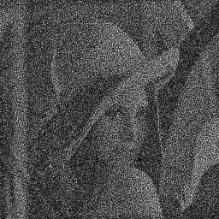

 Spiral

 | PSNR = | 22.284 | SSIM = | 0.938 | PSNR = | 9.530 | SSIM = | 0.016 | PSNR = | 9.920 | SSIM = | 0.022 | PSNR = | 10.161 | SSIM = | 0.074 | PSNR = | 11.753 | SSIM = | 0.371 | PSNR = | 17.286 | SSIM = | 0.816

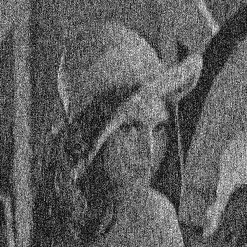



 VDC

 | PSNR = | 27.267 | SSIM = | 0.980 | PSNR = | 10.699 | SSIM = | 0.201 | PSNR = | 14.888 | SSIM = | 0.682 | PSNR = | 24.022 | SSIM = | 0.945 | PSNR = | 26.833 | SSIM = | 0.978 | PSNR = | 26.930 | SSIM = | 0.980

Move+Noise Figures
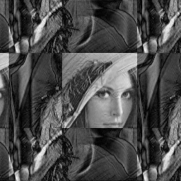

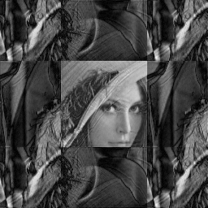
 | No Noise, No Shift |  |  |  | 40dB, Onset at 35% |  |  |  | 30dB, Onset at 35% |  |  |  | 40dB, Onset at 65%
 |  |  |  |  |  |  |  |  |  |  |  |  |  |  |  |  |  | Movement + Noise Comparison
Cartesian
 |  |  |  |  |  |  |  |  |  |  |  |  |  |  |  |  |  | SNR = 40dB, Onset at 35%
 |  |  |  |  |  |  |  |  |  |  |  |  |  |  |  |  |  | Metric | Cartesian | Radial | Spiral | VDC
 |  |  |  |  |  |  |  |  |  |  |  |  |  |  |  |  |  | Δ PSNR | -0.3482 | -7.1142 | -9.0496 | -14.6239
 |  |  |  |  |  |  |  |  |  |  |  |  |  |  |  |  |  | Δ SSIM | -0.1165 | -0.4476 | -0.4790 | -0.6982

 |  |  |  |  |  |  |  |  |  |  |  |  |  |  |  |  |  | SNR = 30dB, Onset at 35%
 |  |  |  |  |  |  |  |  |  |  |  |  |  |  |  |  |  | Metric | Cartesian | Radial | Spiral | VDC
 |  |  |  |  |  |  |  |  |  |  |  |  |  |  |  |  |  | Δ PSNR | -0.3135 | -10.3476 | -11.1925 | -14.4590
 |  |  |  |  |  |  |  |  |  |  |  |  |  |  |  |  |  | Δ SSIM | -0.1165 | -0.6996 | -0.7221 | -0.6989

 |  |  |  |  |  |  |  |  |  |  |  |  |  |  |  |  |  | SNR = 40dB, Onset at 65%
 |  |  |  |  |  |  |  |  |  |  |  |  |  |  |  |  |  | Metric | Cartesian | Radial | Spiral | VDC
 | PSNR = | 9.904 | SSIM = | 0.1026 | PSNR = | 9.555 | SSIM = | -0.0139 | PSNR = | 9.590 | SSIM = | -0.0139 | PSNR = | 9.790 | SSIM = | 0.0968 |  | Δ PSNR | -0.1132 | -5.0699 | -7.4011 | -1.5875
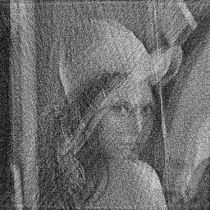
 |  |  |  |  |  |  |  |  |  |  |  |  |  |  |  |  |  | Δ SSIM | -0.0058 | -0.2134 | -0.3013 | -0.0119

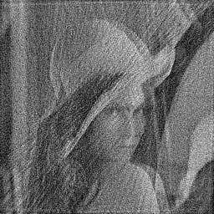
Radial

 |  |  |  |  |  |  |  |  |  |  |  |  |  |  |  |  | VDR PSNR: | 10.7408 |  | VDR PSNR: | 14.7553
 |  |  |  |  |  |  |  |  |  |  |  |  |  |  |  |  | Cartesian PSNR: | 9.55544 |  | Cartesian PSNR: | 9.90364
 |  |  |  |  |  |  |  |  |  |  |  |  |  |  |  |  | Radial PSNR: | 14.3672 |  | Radial PSNR: | 21.4814
 |  |  |  |  |  |  |  |  |  |  |  |  |  |  |  |  | Random PSNR: | 12.7489 |  | Random PSNR: | 12.0684
 |  |  |  |  |  |  |  |  |  |  |  |  |  |  |  |  | Spiral PSNR: | 13.2346 |  | Spiral PSNR: | 22.2842
 |  |  |  |  |  |  |  |  |  |  |  |  |  |  |  |  | VDC PSNR: | 12.6435 |  | VDC PSNR: | 27.2674

 |  |  |  |  |  |  |  |  |  |  |  |  |  |  |  |  | VDR SSIM: | 0.0652999 |  | VDR SSIM: | 0.49479
 | PSNR = | 21.481 | SSIM = | 0.8914 | PSNR = | 14.367 | SSIM = | 0.4438 | PSNR = | 11.134 | SSIM = | 0.1918 | PSNR = | 16.412 | SSIM = | 0.6781 | Cartesian SSIM: | -0.0139478 |  | Cartesian SSIM: | 0.102562
 |  |  |  |  |  |  |  |  |  |  |  |  |  |  |  |  | Radial SSIM: | 0.443826 |  | Radial SSIM: | 0.89144
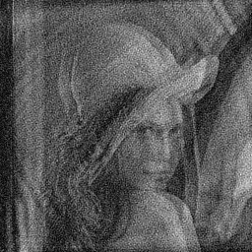
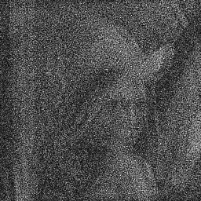
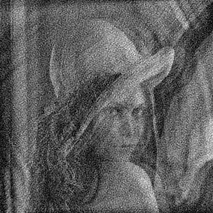
Spiral |  |  |  |  |  |  |  |  |  |  |  |  |  |  |  |  | Random SSIM: | 0.191154 |  | Random SSIM: | 0.255043
 |  |  |  |  |  |  |  |  |  |  |  |  |  |  |  |  | Spiral SSIM: | 0.459173 |  | Spiral SSIM: | 0.938167
 |  |  |  |  |  |  |  |  |  |  |  |  |  |  |  |  | VDC SSIM: | 0.282167 |  | VDC SSIM: | 0.980352

 |  |  |  |  |  |  |  |  |  |  |  |  |  |  |  |  | VDR finished in: | 74547 | ms | VDR finished in: | 75527
 |  |  |  |  |  |  |  |  |  |  |  |  |  |  |  |  | Cartesian finished in: | 61359 | ms | Cartesian finished in: | 63763
 |  |  |  |  |  |  |  |  |  |  |  |  |  |  |  |  | Radial finished in: | 61733 | ms | Radial finished in: | 65128
 |  |  |  |  |  |  |  |  |  |  |  |  |  |  |  |  | Random finished in: | 58267 | ms | Random finished in: | 60634
 |  |  |  |  |  |  |  |  |  |  |  |  |  |  |  |  | Spiral finished in: | 67127 | ms | Spiral finished in: | 63933
 |  |  |  |  |  |  |  |  |  |  |  |  |  |  |  |  | VDC finished in: | 63152 | ms | VDC finished in: | 64131

 |  |  |  |  |  |  |  |  |  |  |  |  |  |  |  |  | SNR = 30dB, Onset = 35% with 0.05
 |  |  |  |  |  |  |  |  |  |  |  |  |  |  |  |  | VDR PSNR: | 11.1163
 | PSNR = | 22.284 | SSIM = | 0.9382 | PSNR = | 13.235 | SSIM = | 0.4592 | PSNR = | 11.092 | SSIM = | 11.0917 | PSNR = | 14.883 | SSIM = | 0.637 | Cartesian PSNR: | 9.5901
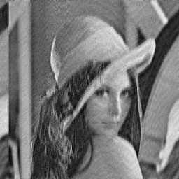
 |  |  |  |  |  |  |  |  |  |  |  |  |  |  |  |  | Radial PSNR: | 11.1338

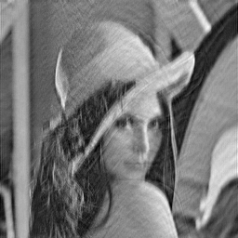
VDC |  |  |  |  |  |  |  |  |  |  |  |  |  |  |  |  | Random PSNR: | 10.5358
 |  |  |  |  |  |  |  |  |  |  |  |  |  |  |  |  | Spiral PSNR: | 11.0917
 |  |  |  |  |  |  |  |  |  |  |  |  |  |  |  |  | VDC PSNR: | 12.8084

 |  |  |  |  |  |  |  |  |  |  |  |  |  |  |  |  | VDR SSIM: | 0.103376
 |  |  |  |  |  |  |  |  |  |  |  |  |  |  |  |  | Cartesian SSIM: | -0.0139343
 |  |  |  |  |  |  |  |  |  |  |  |  |  |  |  |  | Radial SSIM: | 0.191833
 |  |  |  |  |  |  |  |  |  |  |  |  |  |  |  |  | Random SSIM: | -0.0713409
 |  |  |  |  |  |  |  |  |  |  |  |  |  |  |  |  | Spiral SSIM: | 0.216076
 |  |  |  |  |  |  |  |  |  |  |  |  |  |  |  |  | VDC SSIM: | 0.281412

 |  |  |  |  |  |  |  |  |  |  |  |  |  |  |  |  | VDR finished in: | 74314 | ms
 |  |  |  |  |  |  |  |  |  |  |  |  |  |  |  |  | Cartesian finished in: | 61510 | ms
 | PSNR = | 27.267 | SSIM = | 0.9804 | PSNR = | 12.644 | SSIM = | 0.2822 | PSNR = | 12.808 | SSIM = | 0.2814 | PSNR = | 25.680 | SSIM = | 0.9685 | Radial finished in: | 60374 | ms
 |  |  |  |  |  |  |  |  |  |  |  |  |  |  |  |  | Random finished in: | 59587 | ms
 |  |  |  |  |  |  |  |  |  |  |  |  |  |  |  |  | Spiral finished in: | 63196 | ms
 |  |  |  |  |  |  |  |  |  |  |  |  |  |  |  |  | VDC finished in: | 62995 | ms

 |  |  |  |  |  |  |  |  |  |  |  |  |  |  |  |  | SNR = 40dB, Onset = 65% with 0.05
 |  |  |  |  |  |  |  |  |  |  |  |  |  |  |  |  | VDR PSNR: | 9.83122
 |  |  |  |  |  |  |  |  |  |  |  |  |  |  |  |  | Cartesian PSNR: | 9.79041
 |  |  |  |  |  |  |  |  |  |  |  |  |  |  |  |  | Radial PSNR: | 16.4115
 |  |  |  |  |  |  |  |  |  |  |  |  |  |  |  |  | Random PSNR: | 11.6872
 |  |  |  |  |  |  |  |  |  |  |  |  |  |  |  |  | Spiral PSNR: | 14.8831
 |  |  |  |  |  |  |  |  |  |  |  |  |  |  |  |  | VDC PSNR: | 25.6799

 |  |  |  |  |  |  |  |  |  |  |  |  |  |  |  |  | VDR SSIM: | 0.0643776
 |  |  |  |  |  |  |  |  |  |  |  |  |  |  |  |  | Cartesian SSIM: | 0.0967836
 |  |  |  |  |  |  |  |  |  |  |  |  |  |  |  |  | Radial SSIM: | 0.678088
 |  |  |  |  |  |  |  |  |  |  |  |  |  |  |  |  | Random SSIM: | 0.281404
 |  |  |  |  |  |  |  |  |  |  |  |  |  |  |  |  | Spiral SSIM: | 0.636902
 |  |  |  |  |  |  |  |  |  |  |  |  |  |  |  |  | VDC SSIM: | 0.968458

 |  |  |  |  |  |  |  |  |  |  |  |  |  |  |  |  | VDR finished in: | 75236 | ms
 |  |  |  |  |  |  |  |  |  |  |  |  |  |  |  |  | Cartesian finished in: | 61107 | ms
 |  |  |  |  |  |  |  |  |  |  |  |  |  |  |  |  | Radial finished in: | 60014 | ms
 |  |  |  |  |  |  |  |  |  |  |  |  |  |  |  |  | Random finished in: | 58934 | ms
 |  |  |  |  |  |  |  |  |  |  |  |  |  |  |  |  | Spiral finished in: | 62335 | ms
 |  |  |  |  |  |  |  |  |  |  |  |  |  |  |  |  | VDC finished in: | 62536 | ms

Workflow Figure
Simulated Noise Addition Process

 | Gridded K-Space

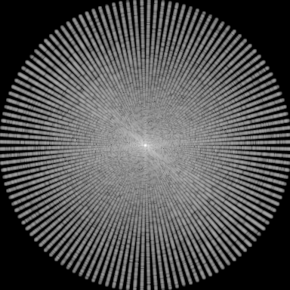
 |  |  |  |  | Reconstructed Image



 |  |  |  | ➜

 |  |  |  | 2D IFFT

 |  | ⬇
 |  |  | Add Gaussian Noise

 | Gridded K-Space + Noise

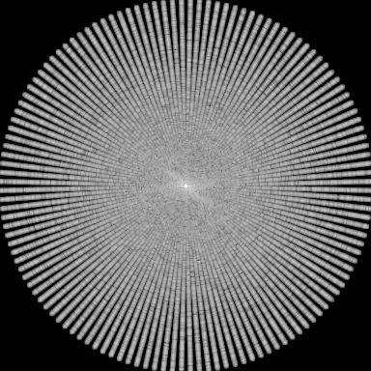

 |  |  |  |  | Reconstructed Image w/ Noise



 |  |  |  | ➜

 |  |  |  | 2D IFFT

